Simple Model
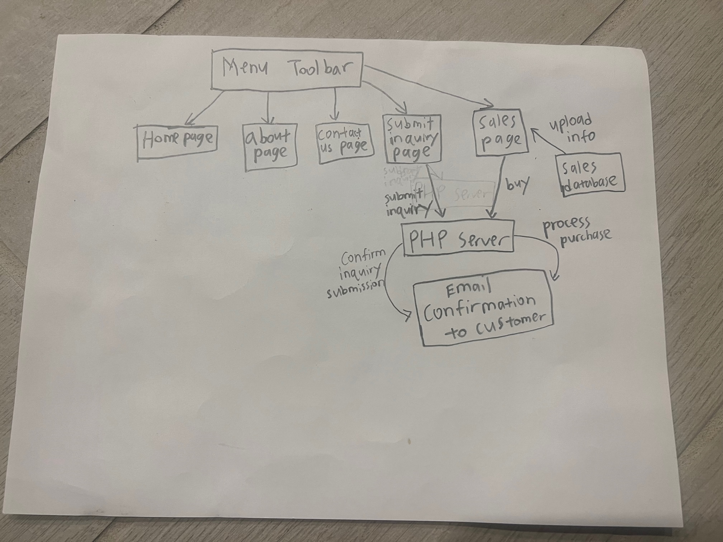
A Simple Model for the Mechanisms of the Website

Burndown Chart
Burndown Chart
 | Sprint 3 | Sprint 4 | Sprint 5 | Sprint 6 | Sprint 7
Backlog Remaining | 21 | 17 | 12 | 8 | 4
Backog Completed | 4 | 8 | 13 | 17 | 21
Backlog Planned | 25 | 25 | 25 | 25 | 25

